Instructions
Instructions
General
See instructions for individual tabs below.
Follow steps for entering expense information.
Do not manually enter totals in the total cost column. Totals will auto-populate by filling in each line of expenses.
Plese do not change the minimum of 12 students.
Transportation Expenses

1.) Enter information for each expense item |  | 2.) Enter per person cost |  |  |  | 3.) Adjust number of TAs, if needed.

Lodging Expenses
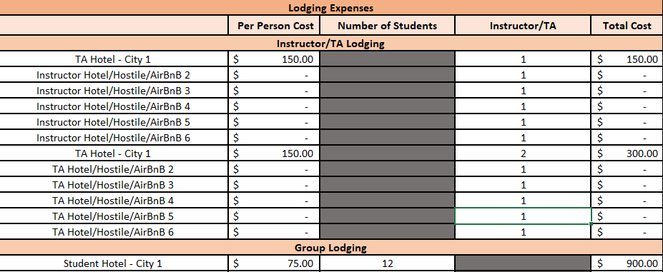

1.) Enter information for each expense item. |  | 2.) Enter per person cost |  |  | 3.) Adjust number of TAs, if needed

Food Expenses

1.) Enter information for each expense item |  | 2.) Enter per person cost |  |  | 3.) Adjust number of TAs, if needed

Program Expenses
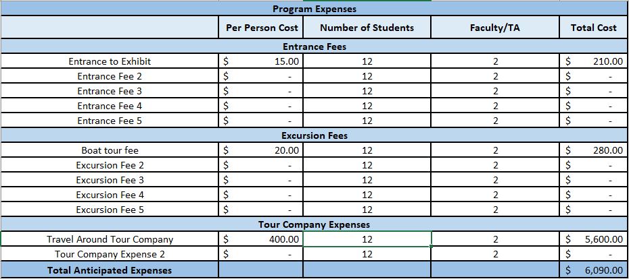

 |  |  |  |  |  |  | 4.) If using a tour company that includes fees,
 |  |  |  |  |  |  | enter information here.
1.) Enter information for each expense item | 2.) Enter per person cost |  |  | 3.) Adjust total to include TAs, if needed

Instructor/TA Miscellaneous

1.) Enter information for each expense item | 2.) Enter per person cost |  |  | 3.) Adjust total to include TAs, if needed

Other Expenses
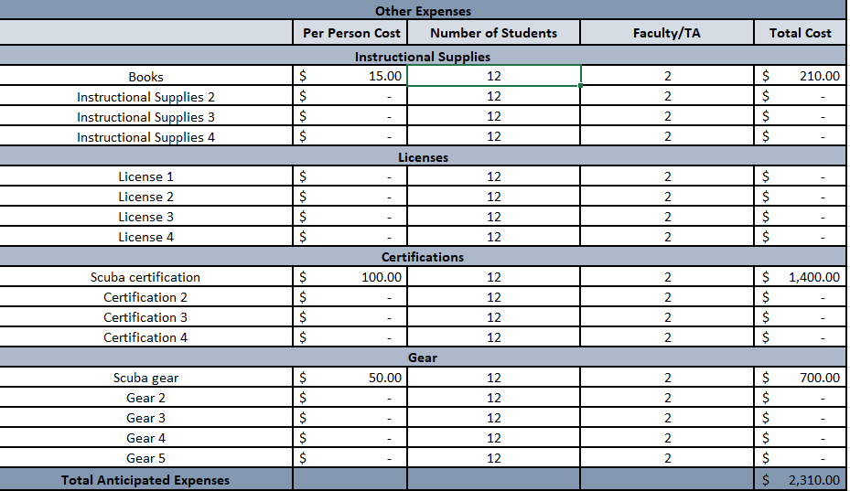

1.) Enter information for each expense item | 2.) Enter per person cost |  | 3.) Adjust total to include TAs, if needed

